Cover
Progress Report Guide

 | Version | 0.2 | Date | 2023-04-18

 | ※ | This document is based on ServiceNow specifications as of April 2023.
 |  | It is expected that the DP ServiceNow will change in the future due to changes in ServiceNow specifications and the release of various tools.
 |  | Please check the following for the latest information.
 |  | Fujitsu Developers Platform Hub
 |  | https://fujitsu.sharepoint.com/sites/jp-dp-portal/SitePages/en/Home.aspx

© 2023 Fujitsu Limited

1. Project Information Input
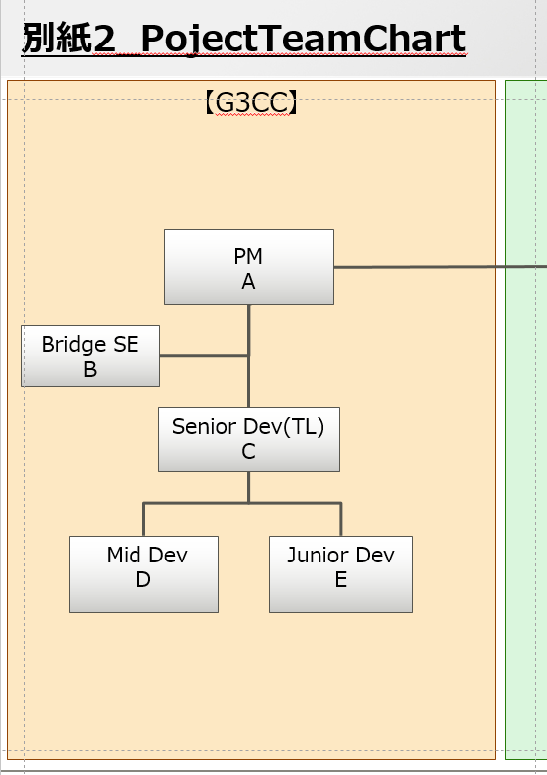
Table of Contents

1. Project Information Input

 | For the "1. Project Information" of each phase, enter the data according to the following procedure.

 | 1.)Copy the Project plan information to "1. Project Information".

 |  | 1 | Copy the necessary information from the project plan and project plan attachments.

 |  |  | № | 項目名 | 入力値 | 備考
 |  |  | 1 | プロジェクト名称/Project Name | Copy from Project Plan "1.1. プロジェクト概要/Project Overview".
 |  |  | 2 | プロジェクト全体規模(KLOC)/Whole Scale(KLOC) | Copy from Project Plan "1.1. プロジェクト概要/Project Overview" * "別紙_01 Overview/Attachment _ 01 Overview".
 |  |  | 3 | 作業内容/Work Discription | Copy from Project Plan "1.1. プロジェクト概要/Project Overview".
 |  |  | 4 | 対象工程/Target Phase | Manually enter the phase to be reported.
 |  |  | 5 | GDC開発規模(KLOC)/GDC Development Scale(KLOC) | Copy from Project Plan "1.1. プロジェクト概要/Project Overview". | Latest values must be measured and updated before starting the PG and PT phase.
 |  |  | 6 | GDC要員数/GDC's Number of Members | Copy from Project Plan "1.2. プロジェクト体制と役割分担/Project structure and Division of roles * "別紙_02 体制と役割分担/Attachment _ 02 Structure and Division of Roles". | Enter the number of members excluding PM. (Include the Bridge member.)

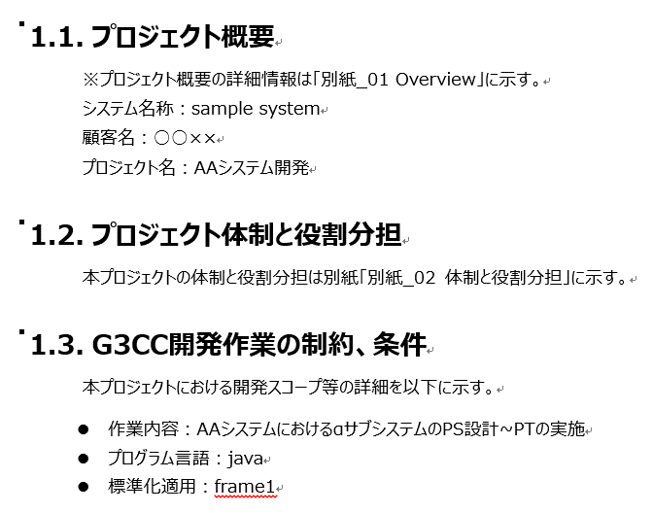
【Project Plan】
 |  |  | ■Status Report Input Image

Restrictions and conditions of JDU development work

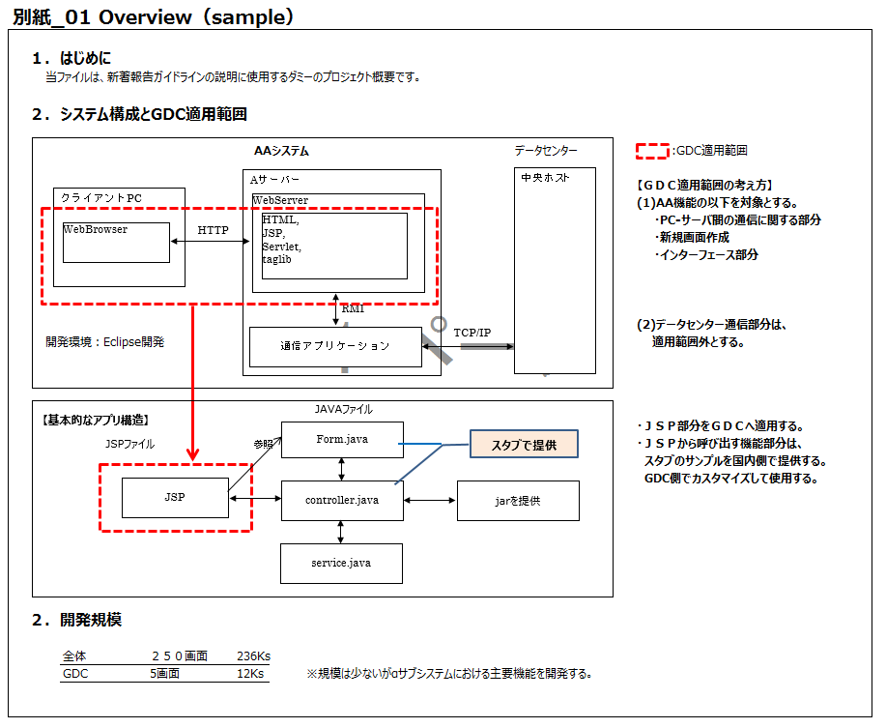
236KLOC
12KLOC

2. Whole Progress Input
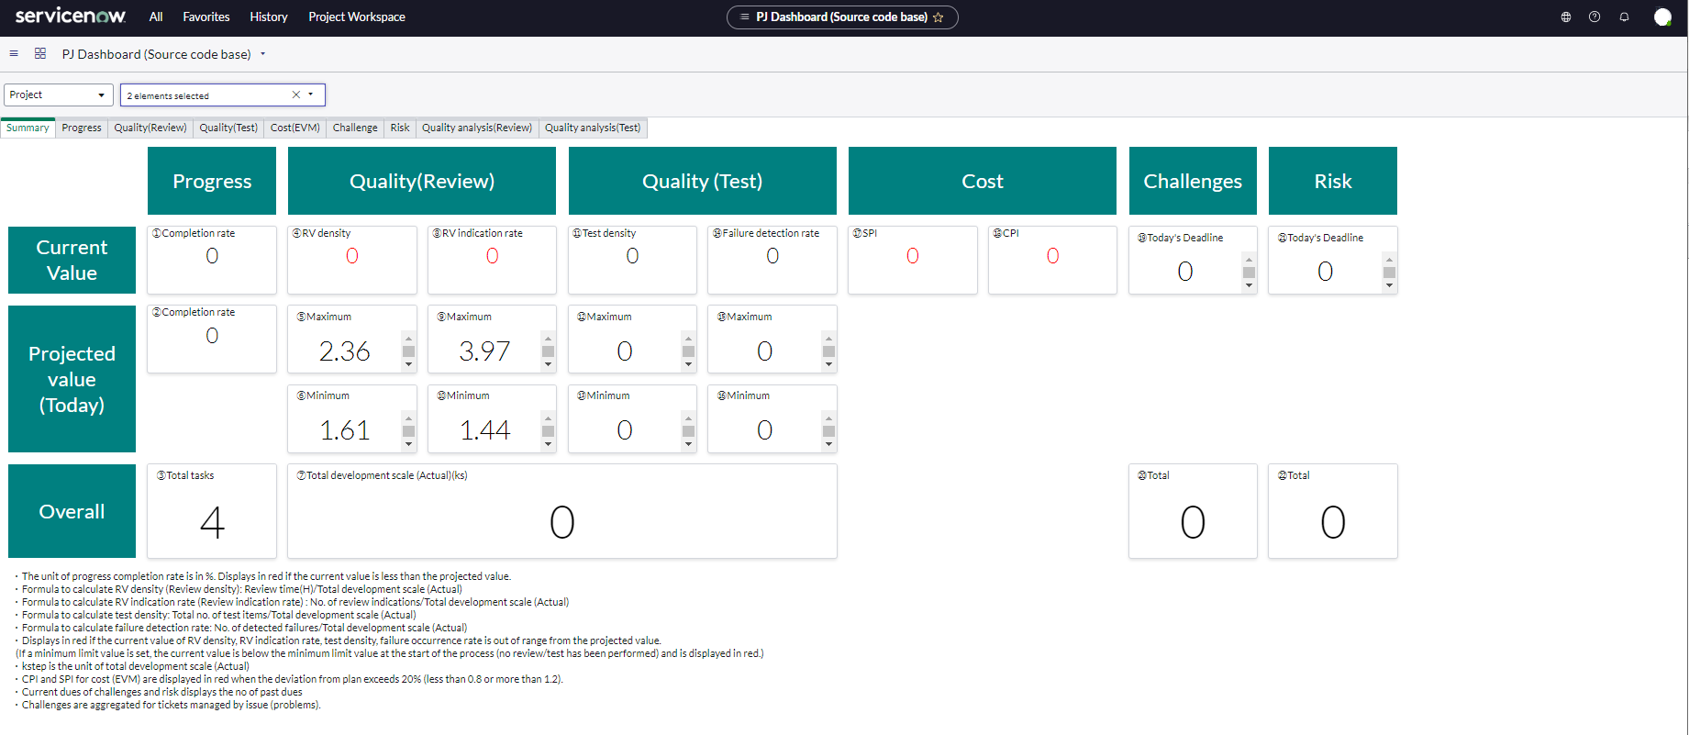
Table of Contents

2. Overall Progress Input

 | The "2. Overall Progress" of each process follows the steps below to post information from the ServiceNow dashboard.

 | Check on your dashboard |  |  |  |  | source
 |  | 1 | Select “All” from the top menu. |  |  | ServiceNow_CommonUserGuide_Eng.pdf
 |  | 2 | Enter “PJ Dashboard” in the filter of the menu, and select |  |  | 3.3.1 How to display the dashboard
 |  |  |  | Page-based, such as SS and PS：「PJ Dashboard (Document page base)」
 |  |  |  | When scale-based, such as PG and PT：「PJ Dashboard (Source code base)」

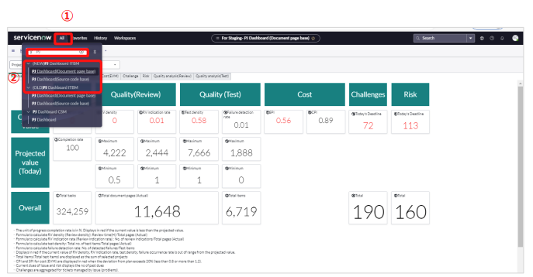

 |  | 3 | The “PJ Dashboard” screen will be displayed. Select “Project”.
 |  | 4 | Select "Select elements" and click "Clear All".
 |  |  |  |  | Previous checks may remain, so be sure to click "Clear All" before proceeding.

 |  | 5 | Check the project of the process to be reported.
 |  |  |  | When checking the overall progress, check all projects in the same process.
 |  |  |  |  | Example: If there are "000000PJname_PS_AAA" and "000000PJname_PS_BBB", check both.
 |  |  |  | When checking each project (= function), check only the target project.
 |  |  |  |  | Example: If there are "000000PJname_PS_AAA" and "000000PJname_PS_BBB", check one of them.
 |  | 6 | Click the "Apply" button.
3
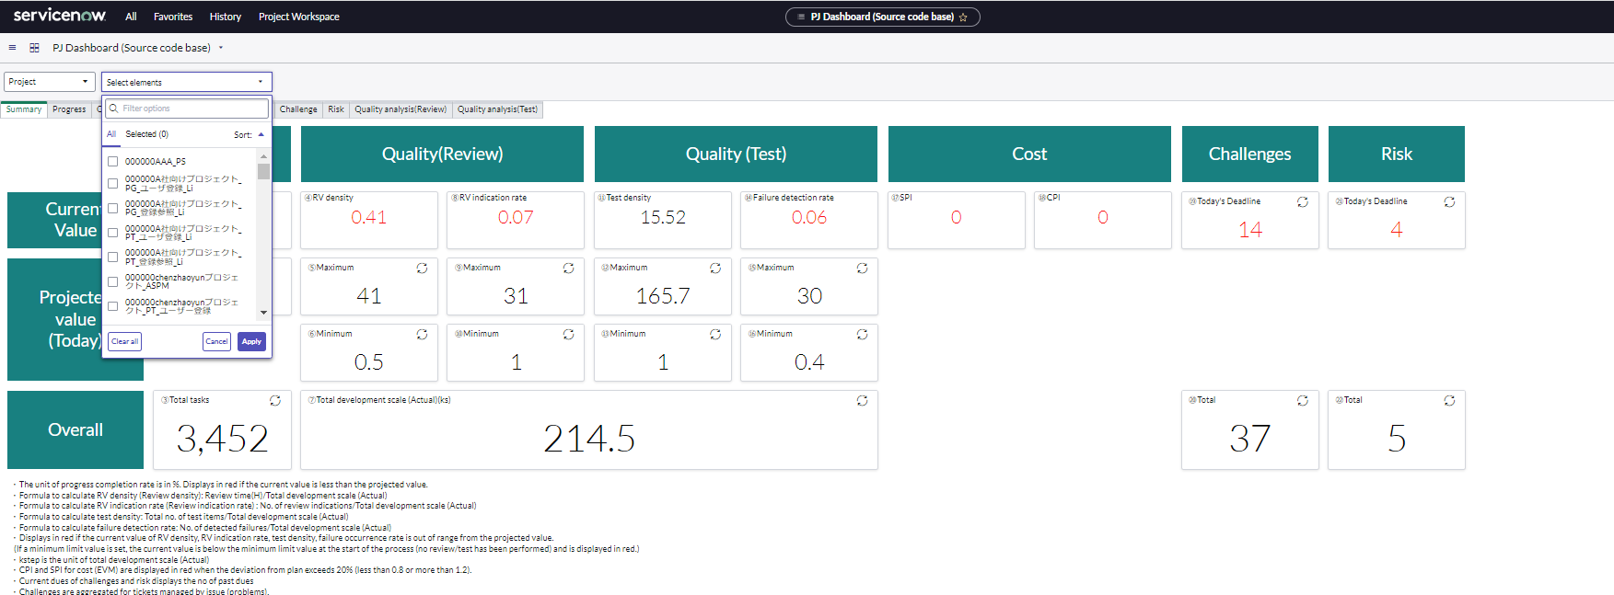
4

6
5

 |  | 7 | A summary screen for the selected project appears. Capture the summary screen and paste it in the "2. Overall progress input" column of the progress report.
 |  |  | * The red letters in the current value of the summary indicate an error. You can view the tab of the item in error and check the details.

3.Progress Status_SS,PS
Table of Contents

3.Progress Status：SS Phase,PS Phase

In This Phase, we report mainly on the document creation status.
In "3. Progress", ServiceNow data is posted according to the following contents.

 |  | Item Name | Value
 |  | データ取得日/date of data acquisition | Indicates the date the data was retrieved from ServiceNow.
 |  | 進捗確認単位/Progress Check Units | The unit for checking the progress is described. (for example, a function name)
 |  | 完了件数 現状値/Completed items count- Current value | Post from "Completion rate (Overall)" of "Progress" tab.
 |  | 完了件数 計画値/Completed items count- Projected value
 |  | 完了率(時点)%/Completion rate (Point of time)(%) | automatic calculation
 |  | 完了件数 現状値/Completed items count- Current value | Post from "Completion rate (point of time)" of "Progress" tab.
 |  | 完了件数 計画値/Completed items count- Projected value
 |  | 完了率(時点)%/Completion rate (Point of time)(%) | automatic calculation
 |  | 予定ドキュメント頁数/Number of scheduled document pages | Post from "Productivity” of "Progress" tab.
 |  | 実績ドキュメント頁数/Number of actual document pages
 |  | 作成完了率(%)/Creation completion rate(%) | automatic calculation

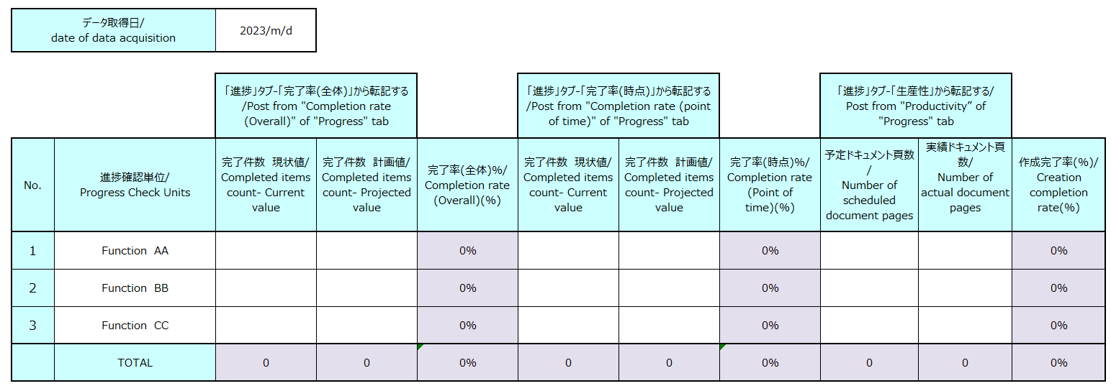

 | Check the "Progress" tab on the dashboard

 | 1 | Perform steps 1 to 6 on the "2. Overall progress input" sheet to display the dashboard screen.

 | 2 | Click the "Progress" tab.

2

 | 3 | Check "Completed items count- Current value" and "Completed items count- Projected value" of "Completion rate (Overall)".

3

 | 4 | Check "Completed items count- Current value" and "Completed items count- Projected value" of "Completion rate (point of time)".

4

 | 5 | Scroll to the bottom.
 |  | Check "1. Number of scheduled document pages" of "Productivity(Planned) (Page/H).
 |  | Check "1. Number of actual document pages" of "Productivity(Actual) (Page/H).
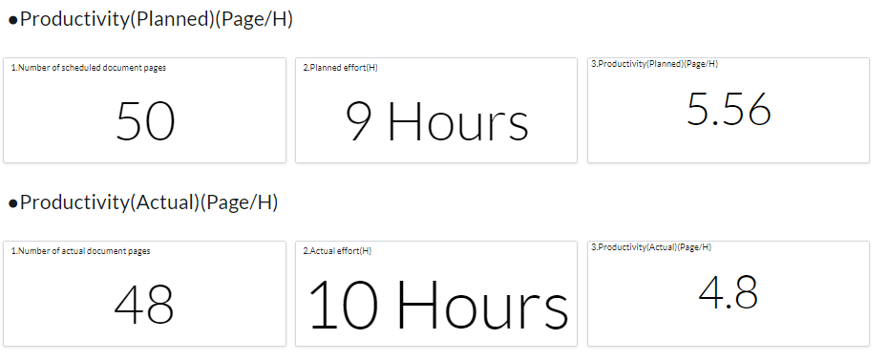

5

3.Progress Status_PG
Table of Contents

Progress Status：PG Phase

In This Phase, we report mainly on the document creation status.
In "3. Progress", ServiceNow data is posted according to the following contents.

 |  | Item Name | Value
 |  | データ取得日/date of data acquisition | Indicates the date the data was retrieved from ServiceNow.
 |  | 進捗確認単位/Progress Check Units | The unit for checking the progress is described. (for example, a function name)
 |  | 完了件数 現状値/Completed items count- Current value | Post from "Completion rate (Overall)" of "Progress" tab.
 |  | 完了件数 計画値/Completed items count- Projected value
 |  | 完了率(時点)%/Completion rate (Point of time)(%) | automatic calculation
 |  | 完了件数 現状値/Completed items count- Current value | Post from "Completion rate (point of time)" of "Progress" tab.
 |  | 完了件数 計画値/Completed items count- Projected value
 |  | 完了率(時点)%/Completion rate (Point of time)(%) | automatic calculation
 |  | 見積開発規模(Ks)/Estimated development scale (Ks) | Post from "Productivity” of "Progress" tab.
 |  | 実績開発規模(Ks)/Actual development scale (Ks)
 |  | 規模差分/Scale Difference | automatic calculation

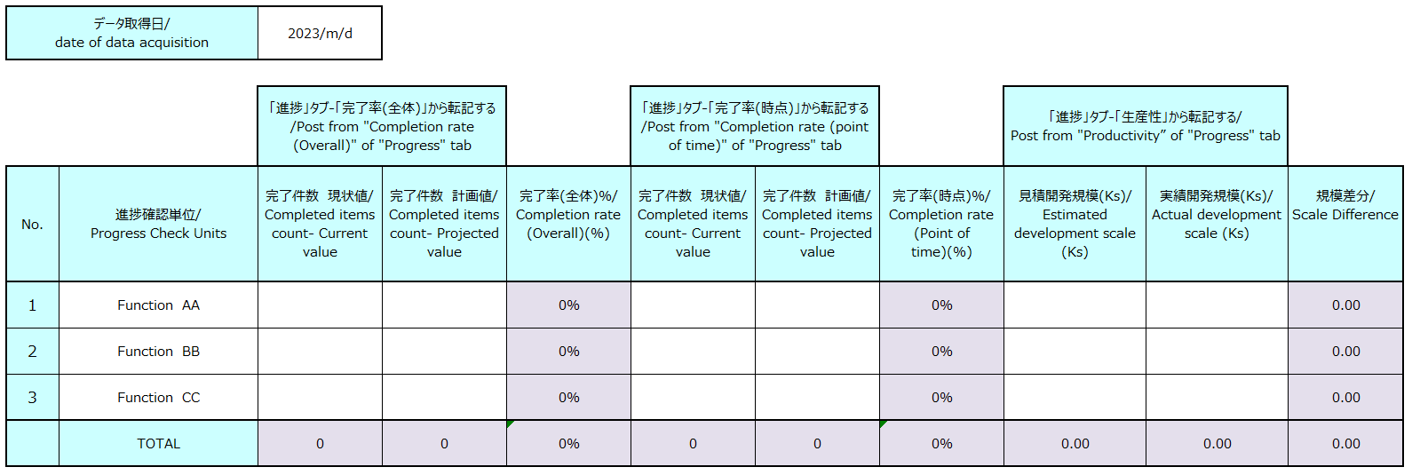

 | Check the "Progress" tab on the dashboard

 | 1 | Perform steps 1 to 6 on the "2. Overall progress input" sheet to display the dashboard screen.

 | 2 | Click Progress tab.
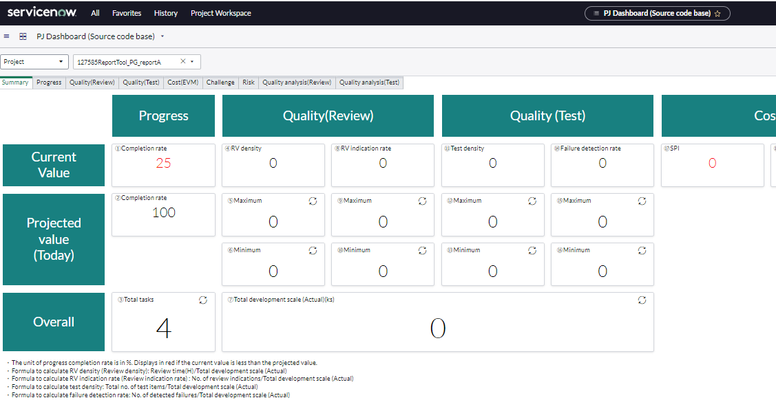

2

 | 3 | Check "Completed items count- Current value" and "Completed items count- Projected value" of "Completion rate (Overall)".

3

 | 4 | Check "Completed items count- Current value" and "Completed items count- Projected value" of "Completion rate (point of time)".

4

 | 5 | Scroll to the bottom.
 |  | Check "1. Estimated development scale (ks)" of "Productivity (Planned) (ks/H)".
 |  | Check "1. Actual development scale (ks)" of "Productivity (Actual) (ks/H)".

5

 | Pastes a hard copy of Project Workspace

 | 1 | Click "Project Workspace"
 | 2 | Click "All projects"
 | 3 | Select target project

1
2
3

 | 4 | Make a hard copy of the displayed Gantt chart and paste it into the progress report.
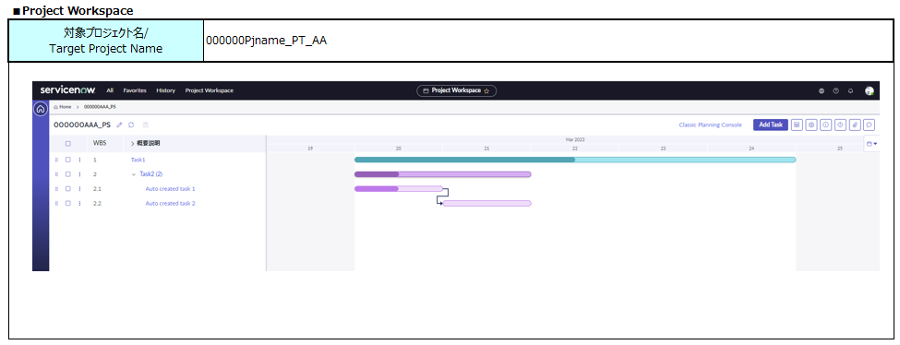
4

3.Progress Status_PT P
Table of Contents

Progress Status：PT Preparation

In This Phase, we report mainly on the document creation status.
In "3. Progress", ServiceNow data is posted according to the following contents.

 |  | Item Name | Value
 |  | データ取得日/date of data acquisition | Indicates the date the data was retrieved from ServiceNow.
 |  | 進捗確認単位/Progress Check Units | The unit for checking the progress is described. (for example, a function name)
 |  | 完了件数 現状値/Completed items count- Current value | Post from "Completion rate (Overall)" of "Progress" tab.
 |  | 完了件数 計画値/Completed items count- Projected value
 |  | 完了率(時点)%/Completion rate (Point of time)(%) | automatic calculation
 |  | 完了件数 現状値/Completed items count- Current value | Post from "Completion rate (point of time)" of "Progress" tab.
 |  | 完了件数 計画値/Completed items count- Projected value
 |  | 完了率(時点)%/Completion rate (Point of time)(%) | automatic calculation

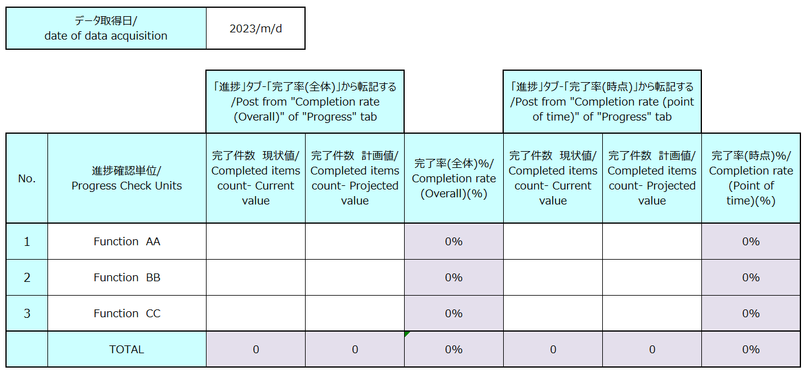

 | Check the "Progress" tab on the dashboard

 | 1 | Perform steps 1 to 6 on the "2. Overall progress input" sheet to display the dashboard screen.

 | 2 | Click Progress tab.

2

 | 3 | Check "Completed items count- Current value" and "Completed items count- Projected value" of "Completion rate (Overall)".

3

 | 4 | Check "Completed items count- Current value" and "Completed items count- Projected value" of "Completion rate (point of time)".

4

 | Pastes a hard copy of Project Workspace

 | 1 | Click "Project Workspace"
 | 2 | Click "All projects"
 | 3 | Select target project

1
2
3

 | 4 | Make a hard copy of the displayed Gantt chart and paste it into the progress report.

4

3.Progress Status_PT,IT
Table of Contents

Progress Status：PT Phase, IT Phase

In This Phase, we report mainly on the document creation status.
In "3. Progress", ServiceNow data is posted according to the following contents.
*We defined it as follows, but we would like to improve it if there is a more easy-to-understand reporting method.

 |  | Item Name | Value
 |  | データ取得日/date of data acquisition | Indicates the date the data was retrieved from ServiceNow.
 |  | ■テスト消化状況、障害検出状況/Test completion status, Failure detection status
 |  | 対象プロジェクト名/ Target Project Name | Enter the target project name.
 |  |  | Pastes a hard copy of the "Test completion status, Failure detection status" graph from the "Quality (Test)" tab.

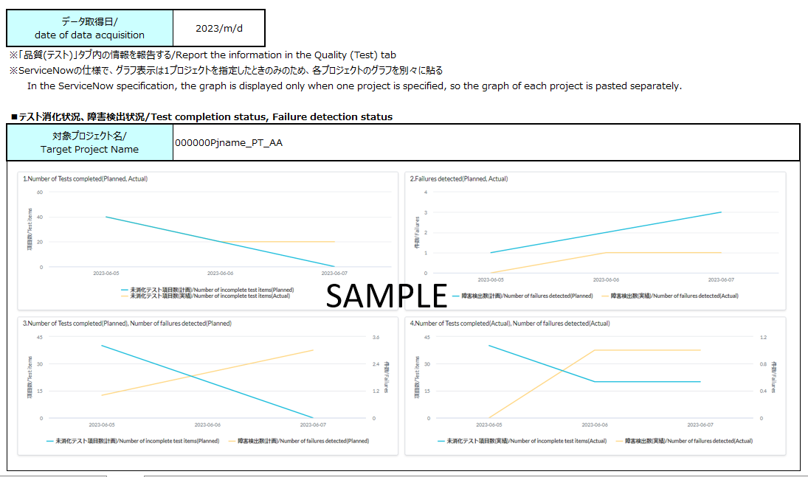

 |  | Item Name |  | Value
 |  | 進捗確認単位/Progress Check Units |  | The unit for checking the progress is described. (for example, a function name)
 |  | テスト完了数 現状値/Test completion Current value |  | Post from "Completion rate (point of time)" of "Quality (Test)" tab.
 |  | 全テスト項目数/Test completion current - Project value
 |  | テスト完了率(時点)/Test completion rate (point of time) |  | automatic calculation
 |  | 起票総数/Overall count |  | Post from "Current status of defect" of "Quality (Test)" tab.
 |  | 対応完了件数/Completion count
 |  | 対応中件数/In progress count |  | automatic calculation
 |  | 対応遅延(予定超過)件数/Overdue count |  | Post from "Current status of defect" of "Quality (Test)" tab.

 | Check the "Progress" tab on the dashboard

 | 1 | Perform steps 1 to 6 on the "2. Overall progress input" sheet to display the dashboard screen.

 | 2 | Click Quality(Test) tab.
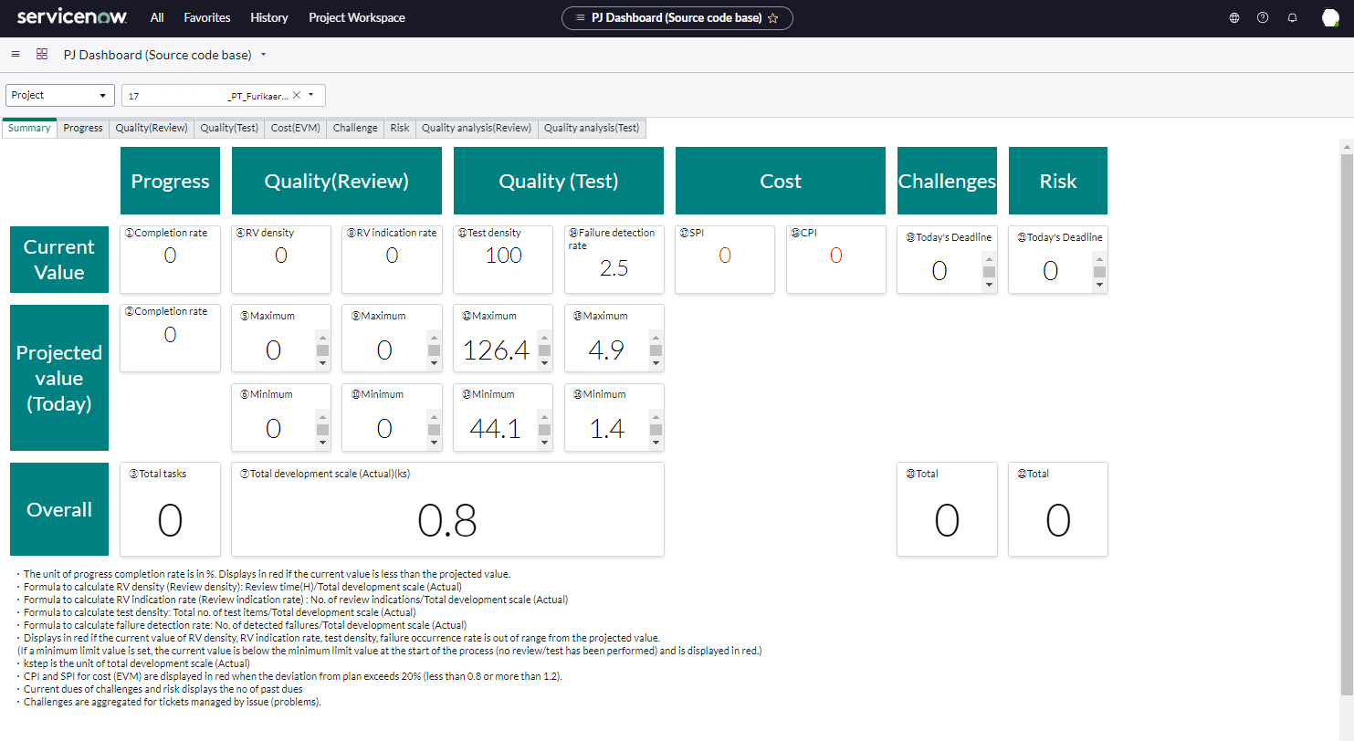

2

 | 3 | Copy and paste the hard copy of "Test completion status, Failure detection status".
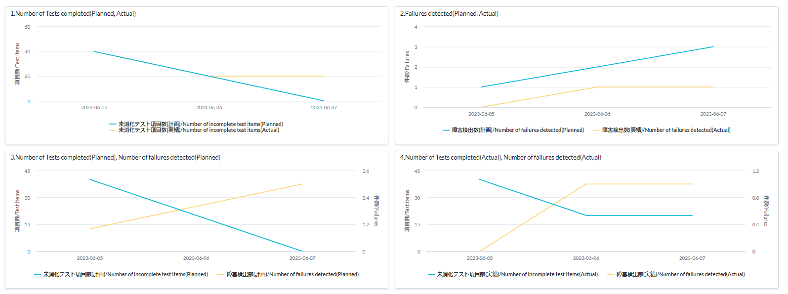
SAMPLE

 | 4 | Check the following items and post them to the progress report.
 |  | ■テスト完了率(時点)/Test completion rate (point of time)
 |  | テスト完了数 現状値/Test completion Current value
 |  | 全テスト項目数/Test completion current - Project value

 | 5 | Check the following items and post them to the progress report.
 |  | ■障害 対応状況/Current status of defect
 |  | 起票総数/Overall count
 |  | 対応完了件数/Completion count
 |  | 対応遅延(予定超過)件数/Overdue count

4.Issue_5.QA
Table of Contents

4.Issue
5.QA

The number of "4. Issues" and "5. Q&A" for each process will be posted according to the following procedure.

 |  | Check domain scope first after login
 |  | If you join multiple project, you will be registered in multiple domains (project rooms) in ServiceNow. Please confirm that the domain scope is correct.

1
 |  | method
 |  | 1 | Click on the right.

 |  | 2 | Make sure the "Domain Scope" is correct.
 |  | 3 | If a different domain scope was selected, select the correct domain scope.
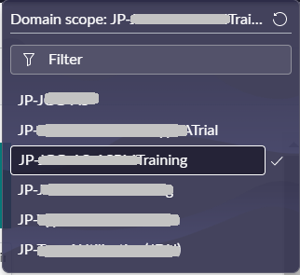
2

3

Update a previous report
1 | Post the number in the Previous Report.

View dashboard
 | 1 | Select "All" from the top menu.
 | 2 | Enter "PJ" in the menu filter, and select "PJ Dashboard (Document page base)" or
1
 |  | "PJ Dashboard (Source code base)" under "(New) PJ status Dashboard ITBM" ".You can choose either.

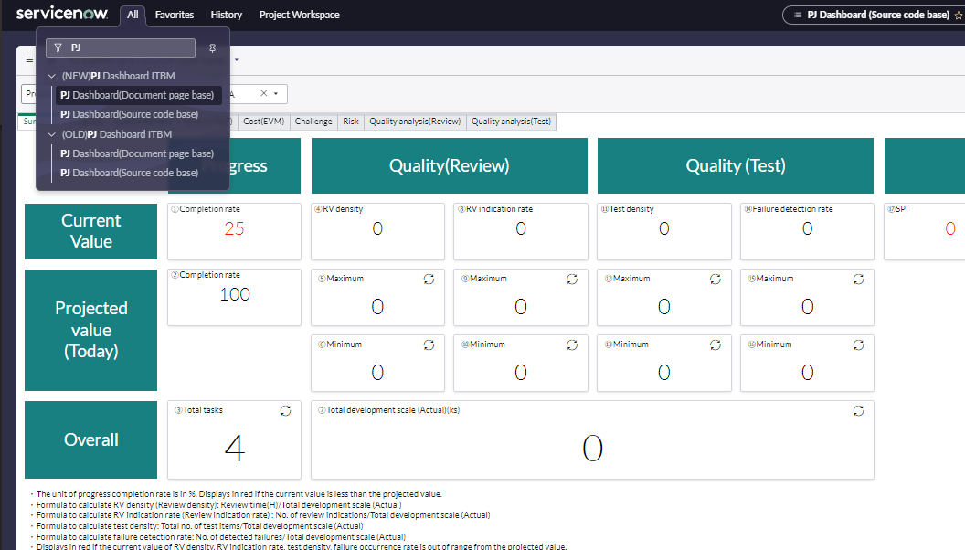

2

 | 3 | The "Project status display" screen is displayed. Select "Program".
 | 4 | Select "Select Elements".
 | 5 | Click Clear All.
 |  |  |  | Previous checks may remain, so be sure to click "Clear All" before proceeding.

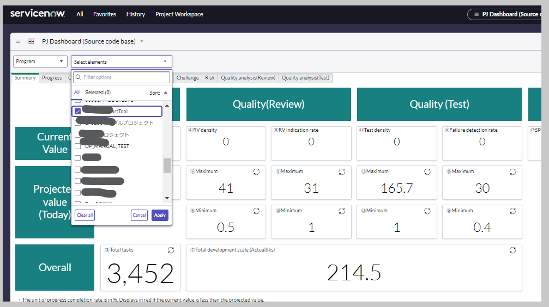
 | 6 | Check the program of the process to be reported.
 | 7 | Click the "Apply" button.

3
4

6

7
5

 | 8 | A summary screen for the selected program appears. Click "Total".
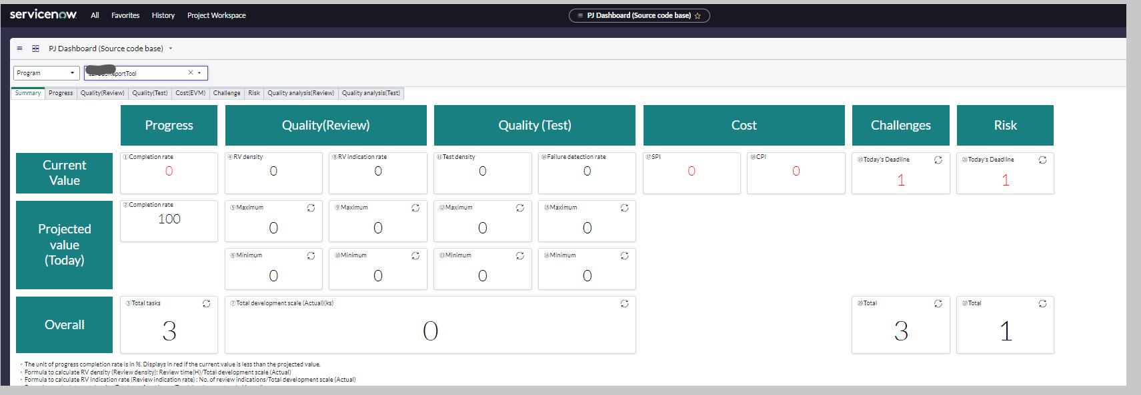

8

 | 9 | A list of "issue" is displayed.
 |  | Right-click in the Number row and select "Export", "Excel (.xlsx)".
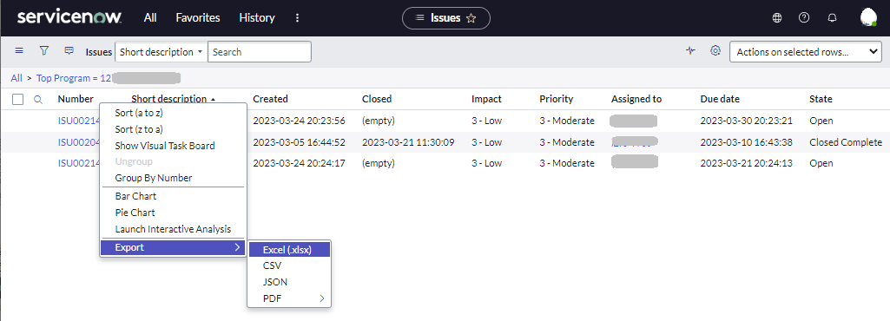

9

 | 10 | Click "Download".

10

 |  | A list of issues is output in an Excel file.

 |  | Item name |  |  | Value
 |  | Short description |  |  | Lines with "QA" at the beginning are QA, lines without "QA" at the beginning are issues.
 |  | Created |  |  | The date the issue was opened.
 |  | Closed |  |  | Date closed. If it is blank, it is open.

 | 12 | Divide the "Short description" into those with and without QA.
 |  | It is useful to sort using Excel features.

 | 13 | Counts lines that do not have QA in the exported text. Enter the number in "This report".
 | 14 | Counts lines that do not have QA in the export text and that have a date in the "Closed". Enter the number in "This report".
13
14

 | 15 | Counts lines that have QA in the exported text. Enter the number in "This report".
 | 16 | Counts lines that have QA in the export text and that have a date in the "Closed". Enter the number in "This report".
15
16

6. Man-hour Management Input
Table of Contents

6. Man-hour Management Input

 | For the "6. Man-hour Management" of each phase, transfer the data according to the following procedure.

 | 1.)Enter the daily plan in the progress report.
Check the expected work hours (H/d).
 |  | 1 | Check the planning time during estimation.

 |  |  | ■Example of estimation
(KLOC)
(KLOC)

 |  | 2 | Enter scheduled time in the status report.

 |  |  | ■Image for entering the plan information

Enter the skill level of the contact member

 |  | 3 | Update the Plan information according to the latest entity.
 |  |  |  | Days with expected uptime(Operation increase): Revise according to expected uptime
 |  |  |  | Days on which planned leave is expected: Adjust the planned time to "0".
Enter the plan for the operation increase
 |  |  |  | *Do not change schedule for unexpected leaves or interruptions.

 |  |  | ■ | Image of Modified Plan information

Enter the plan for the operation increase
Reflect the planned leave schedule.

 | 2.)"累計工数(先週まで)"に"今週の作業累計"の予定および実績数値を転記します。 | Transfer the Planned and Actual figures of "今週の作業累計/Total man-hour for this week" to "累計工数(先週まで)/Total man-hour (Until last week)".

 |  | ■Before Transferring

 |  | ■After Transferring

 | 3.)Review and enter actual time in the ServiceNow Timecard.
 |  | Refer to the Timecard Confirmation sheet in the Service Now Usage Guide (PM version) for information on how to check timecards.

 |  |  | ■Image after transferring man-hour

